Intellectual Property
 This Excel workbook is the intellectual property of Excel Academy (Reg:WF 21072), protected . Any unauthorized copying or sharing is strictly prohibited and may result in legal action.

Relatives Vs Absolute
 |  |  | Absolute & Relatives Cells Reference
 |  |  | Excel With Vidu
 |  |  | Sri Lanka's No 01 Excel Guru
 |  |  |  |  |  | Absolute & Relatives Cells Reference

There are two types of cell references: relative and absolute. Relative and absolute references behave differently when copied and filled to other cells. Relative references change when a formula is copied to another cell. Absolute references, on the other hand, remain constant no matter where they are copied

 |  |  |  |  |  |  |  |  |  |  | $J$8
 |  |  |  |  |  |  |  |  | 100
 |  |  |  |  |  |  |  | Num 01 | Num 02 | Relatives | Absolute
 |  |  |  |  |  |  |  | 1 | 10 | 10 | 100
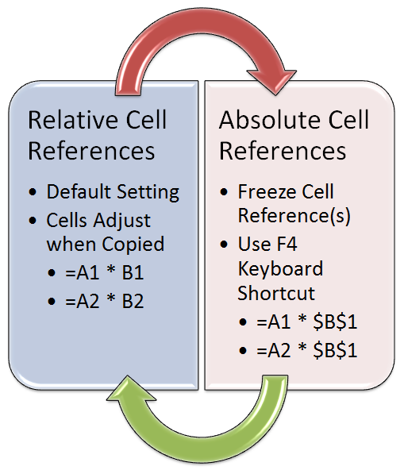
 |  |  |  |  |  |  |  | 2 | 20 | 40 | 100
 |  |  |  |  |  |  |  | 3 | 30 | 90 | 100
 |  |  |  |  |  |  |  | 4 | 40 | 160 | 100

 |  |  |  |  |  |  |  | Cell Fixed | $J$5

 |  |  |  |  |  |  |  | Column Fixed | I$10

 |  |  |  |  |  |  |  | 1.00 | 10.00 | 10.00 | 100.00
 |  |  |  |  |  |  |  | 1.00 | 10.00 | 10.00 | 100.00
 |  |  |  |  |  |  |  | 1.00 | 10.00 | 10.00 | 100.00

 |  | $B36*C$35 |  |  |  |  |  | Row Fixed | 100 | $J11
 | Products | 10% | 20% | 30%
A | 10,000.00 | 1,000.00 | 2,000.00 | 3,000.00 |  |  |  | 1 | 1 | 1 | 1
B | 20,000.00 | 2,000.00 | 4,000.00 | 6,000.00 |  |  |  | 2 | 2 | 2 | 2
C | 25,000.00 | 2,500.00 | 5,000.00 | 7,500.00 |  |  |  | 3 | 3 | 3 | 3
 |  |  |  |  |  |  |  | 4 | 4 | 4 | 4

 |  |  |  | Here are five practical scenarios for using absolute and relative cell references in Excel:

 |  |  |  | Scenario 1: Calculating Total Sales You have a spreadsheet with a list of products and their corresponding quantities and prices. You want to calculate the total sales for each product by multiplying the quantity and price. By using absolute references for the price (e.g., $B$2), you can copy the formula down the column without changing the reference to the price.

 |  |  |  | Unit Price | 10

 |  |  |  |  |  | Product | Quantity | Total Sales
 |  |  |  |  |  | Product A | 10 | 100.00
 |  |  |  |  |  | Product B | 5 | 50.00
 |  |  |  |  |  | Product C | 8 | 80.00
 |  |  |  |  |  | Product D | 12 | 120.00

 |  |  |  | Scenario 3: Applying a Tax Rate You're calculating the after-tax price of a list of products. You have a tax rate in a separate cell. By using an absolute reference for the tax rate cell (e.g., $C$2), you can apply the same tax rate to all products without changing the reference.

 |  |  |  |  |  |  | Tax Rate | 10%

 |  |  |  |  |  | Product | Price | TAX Amount
 |  |  |  |  |  | Item A | 50.00 | 5.00
 |  |  |  |  |  | Item B | 30.00 | 3.00
 |  |  |  |  |  | Item C | 20.00 | 2.00

 |  |  |  | Scenario 4: Project Timeline with Dates You're creating a project timeline with start dates and durations. You want to calculate the end date for each task. By using a combination of relative references for the start dates and absolute references for the duration (e.g., B2+$C$2), you can copy the formula down the column without changing the duration.

 |  |  |  |  |  | Duration (Days) | 50

 |  |  |  |  |  | Task | Start Date | End Date
 |  |  |  |  |  | Task A | 10/01/2023
 |  |  |  |  |  | Task B | 2023-08-01
 |  |  |  |  |  | Task C | 01/01/2023

LOOKUP
 |  | Lookup Function |  |  |  | 
 |  | Excel With Vidu
 |  | Sri Lanka's No 01 Excel Guru

 |  |  |  |  | Lookup Function

Invoice Date | Customer Name | Outstanding Days | Grade
2023-04-15 | John Doe | 94 | Very Bad |  | LOOKUP(D10,$D$24:$D$27,$C$24:$C$27)
2023-05-02 | Jane Smith | 14 | Excellent
2023-05-18 | Mike Johnson | 61 | Very Bad
2023-06-01 | Sarah Lee | 47 | Bad
2023-06-10 | Emily Brown | 38 | Bad
2023-06-12 | David Wang | 85 | Very Bad
2023-06-15 | Lisa Chen | 33 | Bad
2023-06-16 | Alex Kim | 32 | Bad
2023-06-18 | Michael Park | 30 | Good
2023-07-01 | Olivia Lee | 17 | Good
2023-07-05 | William Chen | 13 | Excellent

Range | Grade | Minimum number
0-15 | Excellent | 0
16-30 | Good | 16
31-60 | Bad | 31
61-100 | Very Bad | 61

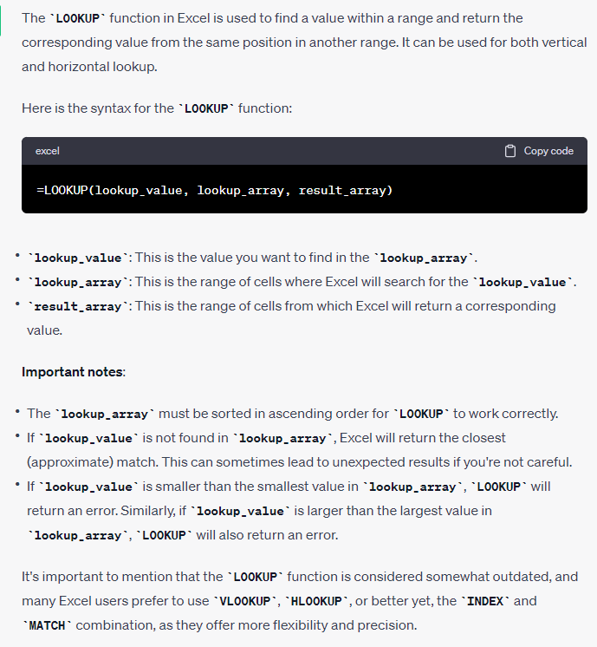

Here are 03 practical scenarios where you might use the LOOKUP function:

Price Lookup in a Product Catalog:
Imagine you have a catalog of products with their corresponding prices. You can use LOOKUP to quickly find the price of a specific product based on its name or ID.

Product | Price
P-X | 50.00
P-Y | 20.00
P-Z | 30.00

 | Price | LOOKUP(B85,B80:B82,C80:C82)
P-X | 50
P-Z | 30

Grade Lookup in a Grading Scale:
If you have a grading scale where certain scores correspond to letter grades, you can use LOOKUP to convert scores into grades.

Score | Grade | Minimum num
0-15 | D | 0
16-30 | C | 16
31-60 | B | 31
61-100 | A | 61

 | Mark | Grade | LOOKUP(C99,D93:D96,C93:C96)
 | 52 | B

Employee Salary Lookup:
In a payroll system, you might have a table with employee names and their corresponding salaries. You can use LOOKUP to find the salary of a specific employee.

Employee | Salary
EMP-A | 50,000.00 | A
EMP-B | 60,000.00 | B
EMP-C | 55,000.00 | C
EMP-D | 65,000.00 | D
EMP-E | 45,000.00 | E

 | Employee | Salary | LOOKUP(C114,B107:C111)
 | EMP-D | 65,000.00 | D
 | EMP-B | 60,000.00 | B
 | EMP-A | 50,000.00 | A

 | Tax

 | Taxable Monthly Gross Salary From Employment | Tax | Range | Minimum | Tax
 | First 100, 000 LKR from gross salary | 0 | 0-100,000 | - | 0
 | LKR 100,000/- but not exceeding LKR 141,667/- | 6% | 100001-141667 | 100,001.00 | 6%
 | LKR 141,667/- but not exceeding LKR 183,333/- | 12% | 141668-183,333 | 141,668.00 | 12%
 | LKR 183,333/- but not exceeding LKR 225,000/- | 18% | 183334-225000 | 183,334.00 | 18%
 | LKR 225,000/- but not exceeding LKR 266,667/- | 24% | 225001-266667 | 225,001.00 | 24%
 | LKR 266,667/- but not exceeding LKR 308,333/- | 30% | 266668-308333 | 266,668.00 | 30%
 | More than LKR 308,333/- | 36% | 308333 < | 308,333.00 | 36%

Gross Salary | 180,000.00 | 12% | LOOKUP(C138,$F$128:$G$134)

 | 24710000

Range Name
 |  | Range Names
 |  | Excel With Vidu
 |  | Sri Lanka's No 01 Excel Guru
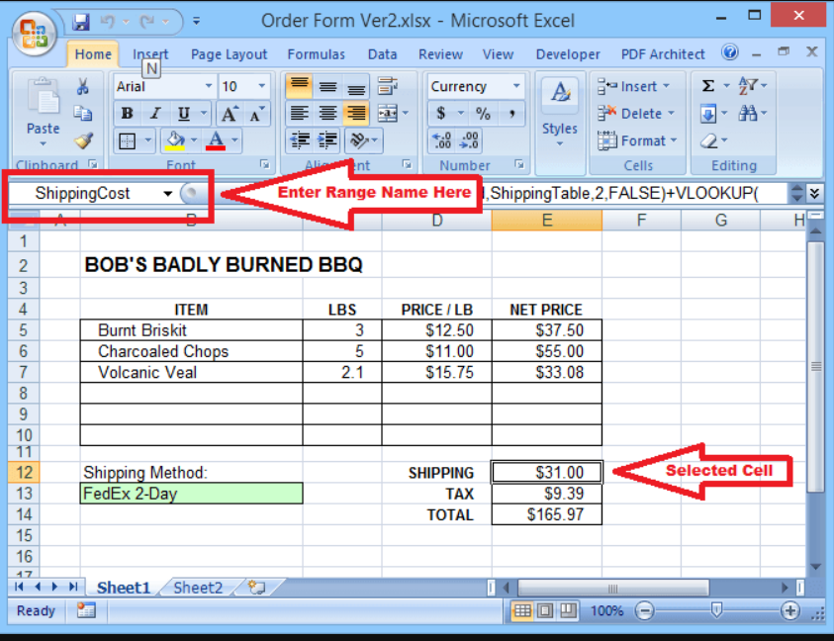

Item Name | Revenue
Television | 1,200,000.00 | 1,200,000.00
Radio | 1,500,000.00 | 1,500,000.00
Washing Machine | 2,650,000.00 | 2,650,000.00
Computers | 3,650,000.00 | 3,650,000.00
Printers | 4,850,000.00 | 4,850,000.00
Mobile Phones | 3,680,000.00 | 3,680,000.00
Laptop | 5,680,000.00 | 5,680,000.00
Air Conditioner | 1,500,000.00 | 1,500,000.00
 |  | 24,710,000.00

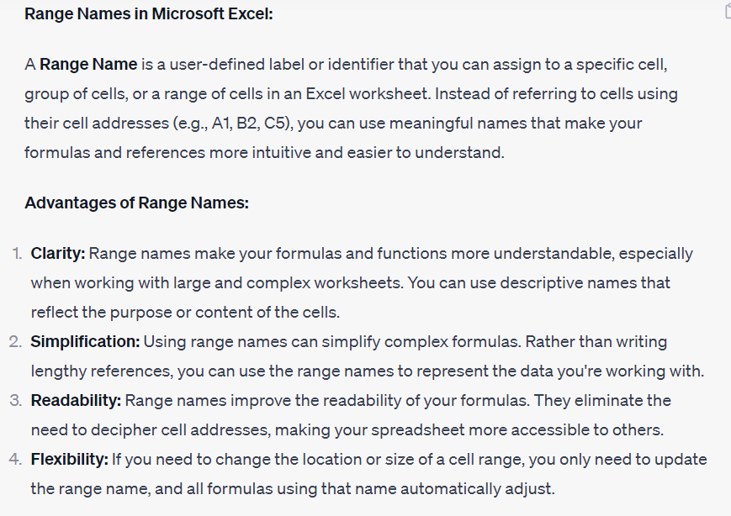

Here are five practical scenarios for using range names in Excel:

Scenario 1: Budget Formulas You're managing a budget spreadsheet with various expense categories. Instead of using cell references in your formulas, you can assign names to the ranges (e.g., "Utilities," "Rent") for clarity and easier formula creation.

 | Category | Amount |  | Category | Amount
 | Rent | 1,000.00 |  | Rent | 1,000.00
 | Utilities | 200.00 | **** range name List | Utilities | 200.00
 | Groceries | 300.00 |  | Groceries | 300.00
 | Transportation | 150.00 |  | Transportation | 150.00
 | Entertainment | 100.00 |  | Entertainment | 100.00
 | Total Expenses |  |  | Total Expenses

Hlookup
 | Hlookup With Exact Match |  |  |  |  | 
 | Excel With Vidu |  | H = Horizontal | තිරස්
 | Sri Lanka's No 01 Excel Guru


Item Name | Mobile | Camera | Shoes | Laptop | Clothes | Perfum
Code No | AC-001-002 | AC-001-003 | AC-001-004 | AC-001-005 | AC-001-006 | AC-001-007
Available Qty | 56 | 88 | 44 | 26 | 50 | 74
unit Price $ | 56.88 | 96.46 | 12.96 | 115.00 | 23.00 | 5.60

 | HLOOKUP(C15,$C$8:$I$11,2,FALSE)
 | Code No | Available Qty | unit Price $
Shoes | AC-001-004 | 44 | 12.96
Camera | AC-001-003 | 88 | 96.46
Clothes | AC-001-006 | 50 | 23.00

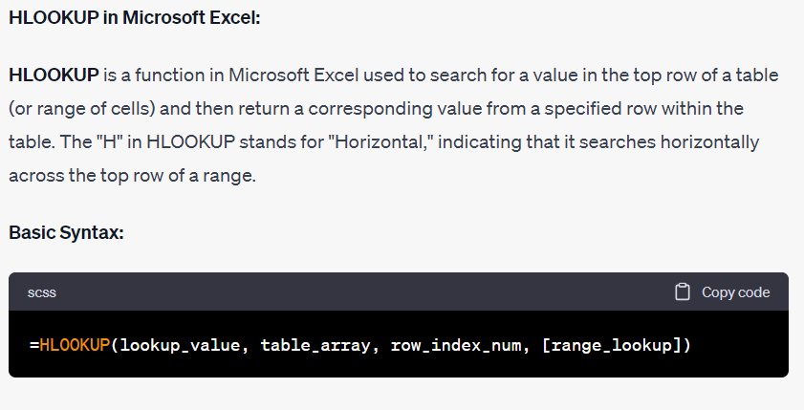

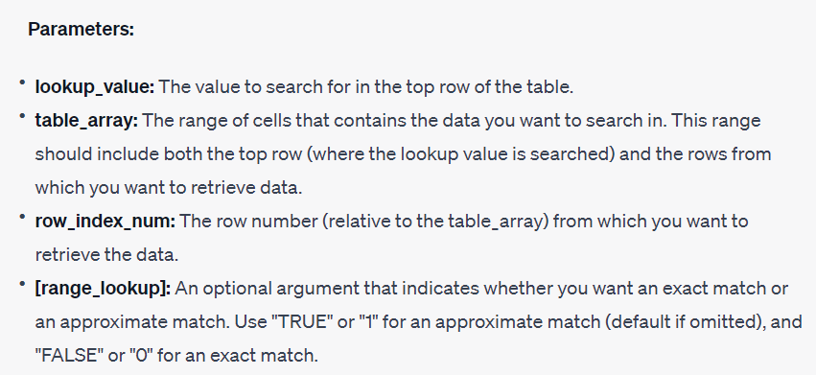

Here are five practical scenarios for using the HLOOKUP function:
 |  |  |  |  |  | Hlookup With Exact Match
Scenario 1: Monthly Budget Tracker You have a spreadsheet with budget categories listed in rows and months listed in columns. You want to quickly find the budget allocation for a specific category in a particular month.

Category | Jan | Feb | Mar | Apr | May | Jun
Rent | 1,000.00 | 1,000.00 | 1,000.00 | 1,000.00 | 1,000.00 | 1,000.00
Groceries | 300.00 | 250.00 | 350.00 | 400.00 | 300.00 | 350.00
Utilities | 150.00 | 150.00 | 150.00 | 150.00 | 150.00 | 150.00
Transportation | 200.00 | 200.00 | 200.00 | 200.00 | 200.00 | 200.00
Dining Out | 100.00 | 150.00 | 100.00 | 150.00 | 100.00 | 150.00
Entertainment | 50.00 | 75.00 | 50.00 | 75.00 | 50.00 | 75.00
Savings | 500.00 | 500.00 | 500.00 | 500.00 | 500.00 | 500.00
Miscellaneous | 100.00 | 100.00 | 100.00 | 100.00 | 100.00 | 100.00

 | Entertainment
Apr | 75 |  |  | MATCH(D82,$C$72:$C$80,0)
 | HLOOKUP(C83,$C$72:$I$80,F83,FALSE)

Scenario 2: Product Features Comparison You're comparing different products based on their features. The product names are listed in the first row, and the features are listed in the subsequent rows. You want to retrieve specific features of a product.

Product | Price | Weight | Battery Life | Camera Quality | Storage Capacity
Product A | $500 | 1.2 lbs | 10 hours | 12 MP | 128 GB
Product B | $600 | 1.5 lbs | 8 hours | 16 MP | 256 GB
Product C | $450 | 1.3 lbs | 12 hours | 10 MP | 64 GB
Product D | $700 | 1.7 lbs | 15 hours | 20 MP | 512 GB

 | Product C
Weight

Scenario 3: Sports League Standings You're managing a sports league and have a table with team names in the first row and different statistics (e.g., points, goals scored) in subsequent rows. You want to find the statistics for a specific team.

Team | Matches Played | Wins | Draws | Losses | Goals For | Goals Against | Points
Team A | 10 | 7 | 2 | 1 | 20 | 10 | 23
Team B | 10 | 8 | 2 | 6 | 14 | 15 | 19
Team C | 10 | 5 | 3 | 2 | 15 | 12 | 18
Team D | 10 | 4 | 2 | 4 | 14 | 14 | 14
Team E | 10 | 3 | 4 | 3 | 12 | 12 | 13

 | Team B
Points | 19

Vlookup
 | Vlookup With Exact Match
 | Excel With Vidu
 | Sri Lanka's No 01 Excel Guru | V = Vertical | සිරස්

 | VLOOKUP(C8,$C$10:$F$16,2,FALSE)
Mobile | AC-001-002

Item Name | Code No | Available Qty | unit Price $
Mobile | AC-001-002 | 56 | 56.88
Camera | AC-001-003 | 88 | 96.46
Shoes | AC-001-004 | 44 | 12.96
Laptop | AC-001-005 | 26 | 115.00
Clothes | AC-001-006 | 50 | 23.00
Perfum | AC-001-007 | 74 | 5.60

Vlookup

Item Name | unit Price $ | Available Qty | Total
Camera | 96.46 | 88 | 8,488.48 |  | Vlookup With Exact Match

 | Vlookup With Approximate Match
 |  | V = Vertical | සිරස්
 | Excel With Vidu
 | Sri Lanka's No 01 Excel Guru

VLOOKUP(D39,$G$37:$I$41,3,TRUE)
 |  |  |  | Minimum Num | Data Rang | Result
Name | General Knowledge | Result |  | 0 | 0-30 | FAIL
Tharushi | 24.5 | FAIL |  | 31 | 31-60 | S
Prabhani | 80 | C |  | 61 | 61-80 | C
Nadeesha | 94 | A |  | 81 | 81-100 | A
Sakuntha | 63 | C
Prasanna | 28 | FAIL
Nishmi | 60 | S
Rumesh | 57 | S
Shanaka | 44 | S

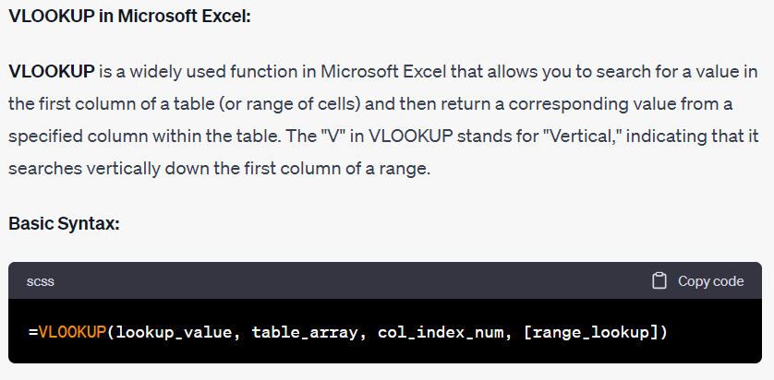

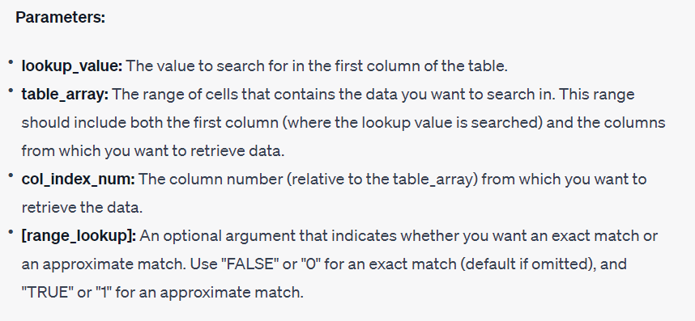

Here are five practical scenarios for using the VLOOKUP function:

Scenario 1: Employee Database You have a spreadsheet with an employee database containing names, employee IDs, and their corresponding departments. You want to quickly find the department of a specific employee using their ID.

Employee ID | Department | Employee Name
1001 | Sales | John Doe
1002 | Marketing | Jane Smith
1003 | Finance | Bob Johnson
1004 | Human Resources | Sarah Lee
1005 | Engineering | Michael Brown
1006 | Sales | Lisa Davis
1007 | Marketing | Kevin Martin
1008 | Finance | Amanda Taylor
1009 | Engineering | James Clark
1010 | Human Resources | Laura White

Employee ID | Department
1003

Scenario 2: Product Pricing You're managing an inventory sheet for a retail store. You have a list of products with their IDs and prices. When a customer selects a product, you want to use VLOOKUP to fetch its price based on the entered ID.

Product ID | Product Name | Price | Product ID
P1001 | T-shirt | $15 | P1001
P1002 | Jeans | $30 | P1002
P1003 | Sneakers | $50 | P1003
P1004 | Jacket | $70 | P1004
P1005 | Backpack | $25 | P1005
P1006 | Sunglasses | $10 | P1006
P1007 | Watch | $60 | P1007
P1008 | Headphones | $40 | P1008
P1009 | Running Shoes | $45 | P1009
P1010 | Hoodie | $35 | P1010

Product Name | Price | VLOOKUP(C138,$D$124:$E$134,2,FALSE)
Jacket | $70

Scenario 3: Gradebook You have a gradebook with student names and their corresponding scores on different assignments. You want to calculate the final grade for each student by looking up their scores and applying a weighted average formula.

Student Name | Assignment 1 | Assignment 2 | Assignment 3 | Final Exam
John Doe | 85 | 90 | 75 | 88
Jane Smith | 95 | 80 | 70 | 92
Bob Johnson | 75 | 60 | 80 | 78
Sarah Lee | 90 | 85 | 95 | 89
Michael Brown | 70 | 75 | 65 | 72

Student Name | Assignment 1 | Assignment 2 | Assignment 3 | Final Exam
Jane Smith

Scenario 4: Sales Report You're analyzing sales data for a company. You have a table with product names, their sales quantities, and corresponding prices. You want to calculate the total revenue for each product by using VLOOKUP to fetch the price.

Product Name | Sales Quantity | Price per Unit
Product A | 100 | $10
Product B | 50 | $20
Product C | 75 | $15
Product D | 120 | $8
Product E | 90 | $12

 | Total Revenue
Product B

Xlookup
 | Xlookup |  | 
 | Excel With Vidu
 | Sri Lanka's No 01 Excel Guru
 |  |  |  | Xlookup
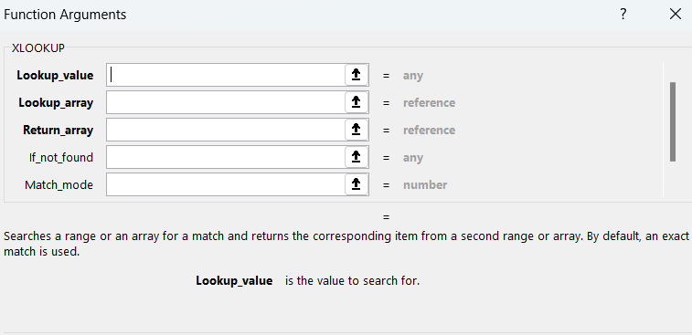
01st Table
Code No | Item Name | Available Qty | unit Price $
AC-001-002 | Mobile | 56 | 56.88
AC-001-003 | Camera | 88 | 96.46
AC-001-004 | Shoes | 44 | 12.96
AC-001-005 | Laptop | 26 | 115.00
AC-001-006 | Clothes | 50 | 23.00
AC-001-007 | Mobile | 74 | 5.60

02nd Table
Code No | Item Name | Available Qty | unit Price $
AC-001-009 | Tab | 68 | 44.60
AC-001-010 | Speaker | 54 | 98.60
AC-001-011 | Bottle | 86 | 25.60
AC-001-012 | Charger | 44 | 11.10

Basic Xlookup
 | XLOOKUP(B26,$C$7:$C$12,$D$7:$D$12)
Item Name | Available Qty
Mobile | 56.00
Laptop | 26.00
Clothes | 50.00
Tab | Data not found

If not Found
 | XLOOKUP(B47,$C$6:$C$12,$E$6:$E$12,"Error")
Item Name | Available Qty
Mobile | 56.00
Laptop | 26.00
Clothes | 50.00
Tab | data not found

More than one Column
 | XLOOKUP(B47,$C$6:$C$12,$D$6:$E$12,"Error")
Item Name | Available Qty | unit Price $
Mobile | 56.00 | 56.88
Laptop | 26.00 | 115.00
Clothes | 50.00 | 23.00

Xlookup as If not found (two table array)
 | XLOOKUP(B55,$C$7:$C$12,$D$7:$D$12,XLOOKUP(B55,$C$16:$C$19,$D$16:$D$19))
Item Name | Available Qty | unit Price $
Mobile | 56.00
Laptop | 26.00
Clothes | 50.00
Tab | 68.00

Exact Match Mode

Item Name | Available Qty
Mobile | 56.00
Laptop | 26.00
Clothes | 50.00
Tab | Data not Available

Search Mode

Item Name | Available Qty
Mobile | 74.00
Laptop | 26.00
Clothes | 50.00
Tab | #N/A

AND OR Function
And OR Function
Presented by Excel Academy in collaboration with Team Excel With Vidu
Sri Lanka's No 01 Excel Guru |  |  |  | 077 562 2065 |071 121 96 75
 |  |  |  | AND /OR Logic

 |  | AND(D7>35,E7>35,F7>35,G7>35)
35 |  | OR(D7>35,E7>35,F7>35,G7>35)

Student Name | English | Maths | Sciense | Econ | OR Logic | AND Logic
Chalani | 25 | 25 | 40 | 18 | TRUE | FALSE
Vidura | 86 | 74 | 20 | 66 | TRUE | FALSE
Prasanna | 64 | 44 | 28 | 74 | TRUE | FALSE
Eranga | 32 | 26 | 25 | 17 | FALSE | FALSE
Susantha | 46 | 66 | 58 | 92 | TRUE | TRUE

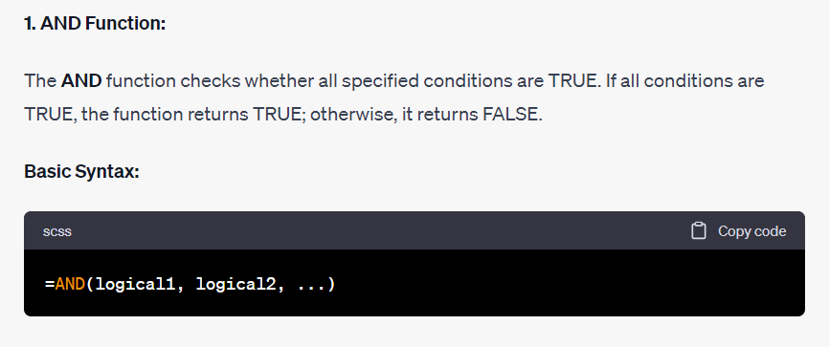

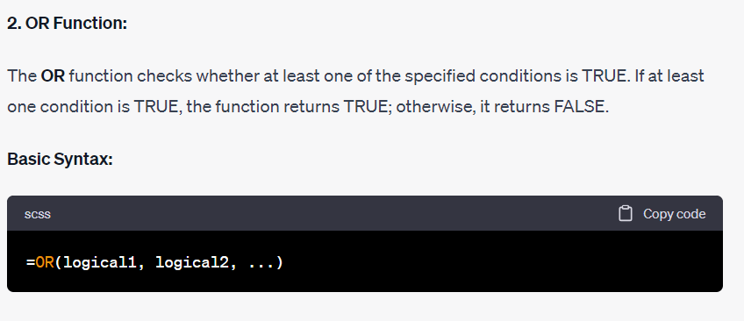

Here are practical scenarios for using the AND function in Excel:

Scenario 1: Pass/Fail Criteria You have a set of criteria that must all be met for a student to pass an exam. You want to create a formula that checks if the student's score is greater than or equal to 70 and they have not cheated.

Student Name | Exam Score | Cheated | greater than or equal to 70 and they have not cheated. | AND(C79>=70,D79="No")
John Doe | 85 | No | Pass | IF(AND(C77>=70,D77="No"),"Pass","Fail")
Jane Smith | 60 | No
Bob Johnson | 78 | Yes
Sarah Lee | 90 | No
Michael Brown | 65 | No

Scenario 2: Employee Performance Bonus You want to determine if an employee is eligible for a performance bonus. To qualify, the employee must have met their sales target and attended all required training sessions.

Employee Name | Sales Target Met | Attended Training Sessions | the employee must have met their sales target and attended all required training sessions. | AND(C91="Yes",D91="Yes")
John Doe | Yes | Yes | TRUE
Jane Smith | Yes | No | FALSE
Bob Johnson | No | Yes | FALSE
Sarah Lee | Yes | Yes | TRUE
Michael Brown | Yes | Yes | TRUE

Scenario 3: Inventory Management You're managing an inventory, and you want to know if a product needs to be restocked. For this to be the case, the quantity on hand must be less than 10 units, and the reorder level must be reached.

Product Name | Quantity on Hand | Reorder Level Reached | the quantity on hand must be less than 10 units, and the reorder level must be reached. | AND(C103<10,D103="Yes")
Product A | 5 | Yes
Product B | 15 | No
Product C | 8 | Yes
Product D | 12 | No
Product E | 3 | Yes

Scenario 4: Project Task Completion You're tracking the progress of a project and want to know if a task is complete. A task is considered complete if it has both a completion date and has been reviewed and approved.

Task Name | Completion Date | Reviewed and Approved | if it has both a completion date and has been reviewed and approved.
Task 1 | Yes | Yes
Task 2 | No | No
Task 3 | Yes | Yes
Task 4 | Yes | Yes
Task 5 | No | No

Scenario 5: Loan Approval Criteria You're processing loan applications and have specific criteria for approval. An applicant must have a credit score of at least 700, a stable job, and an income greater than 50,000 per year.

Applicant Name | Credit Score | Stable Job | Annual Income | An applicant must have a credit score of at least 700, a stable job, and an income greater than 50,000 per year.
John Doe | 720 | Yes | 60,000.00
Jane Smith | 680 | Yes | 45,000.00
Bob Johnson | 750 | No | 70,000.00
Sarah Lee | 710 | Yes | 55,000.00
Michael Brown | 690 | Yes | 50,000.00

In each of these scenarios, the AND function is used to evaluate multiple conditions, and it returns TRUE only if all conditions are met. This makes it a valuable tool for creating complex logical statements in Excel.

Here are five practical scenarios for using the OR function in Excel:

Scenario 1: Admission Eligibility You're processing college admissions and have different criteria for acceptance. An applicant can be admitted if they either have a high SAT score (above 1400) or an outstanding GPA (above 3.8).

Applicant Name | SAT Score | GPA | if they either have a high SAT score (above 1400) or an outstanding GPA (above 3.8). | OR(D140>1400,E140>3.8)
John Doe | 1500 | 3.9 | TRUE
Jane Smith | 1350 | 2.5 | FALSE
Bob Johnson | 1420 | 3.7 | TRUE
Sarah Lee | 1550 | 3.8 | TRUE
Michael Brown | 1300 | 3.9 | TRUE

Scenario 2: Product Discount Eligibility You're managing a promotion in a retail store. Products are eligible for a discount if they are either in the "Clearance" category or have been in stock for over 60 days.

Product Name | Category | Days in Stock | if they are either in the "Clearance" category or have been in stock for over 60 days. | OR(D153="Clearance",E153>60)
Product A | Clearance | 30
Product B | Electronics | 70
Product C | Apparel | 40
Product D | Clearance | 80
Product E | Furniture | 50

Scenario 3: Sales Commission Calculation You're calculating sales commissions for a sales team. A salesperson is eligible for a bonus if they either meet their individual sales target or exceed the team sales target.

Sales Team Target | = > 160000
Individual Sales | = > 20000

Salesperson | Individual Sales | Team Sales | OR(D176>=160000,C176>=20000)
John Doe | 20,000.00 | 150,000.00
Jane Smith | 18,000.00 | 150,000.00
Bob Johnson | 25,000.00 | 160,000.00
Sarah Lee | 22,000.00 | 160,000.00
Michael Brown | 17,000.00 | 155,000.00

Scenario 4: Event RSVP Confirmation You're organizing an event and need to confirm attendees. A person is considered confirmed if they either RSVP'd through the website or called in to register.

Attendee Name | RSVP Website | Call-in Registration | A person is considered confirmed if they either RSVP'd through the website or called in to register.
John Doe | Yes | No | TRUE
Jane Smith | Yes | Yes | TRUE
Bob Johnson | No | Yes | TRUE
Sarah Lee | Yes | No | TRUE
Michael Brown | No | No | FALSE

Scenario 5: Customer Feedback Analysis You're collecting feedback from customers about a product. You want to identify customers who either rated the product 4 stars or higher or provided positive comments in the feedback form.

Customer Name | Star Rating | Feedback | Feedback Comments | You want to identify customers who either rated the product 4 stars or higher or provided positive Feedback
John Doe | 5 | POSITIVE | Excellent product!
Jane Smith | 3 | POSITIVE | It's okay, could be better.
Bob Johnson | 4 | POSITIVE | Really satisfied with the purchase.
Sarah Lee | 2 | NEGATIVE | I am not Satisfied
Michael Brown | 5 | POSITIVE | Fantastic product, highly recommend.

In each of these scenarios, the OR function is used to evaluate multiple conditions, and it returns TRUE if at least one of the conditions is met. This makes it a useful tool for creating flexible logical statements in Excel.

IF Function
IF Function
Presented by Excel Academy in collaboration with Team Excel With Vidu
Sri Lanka's No 01 Excel Guru |  |  |  | 077 562 2065 |071 121 96 75

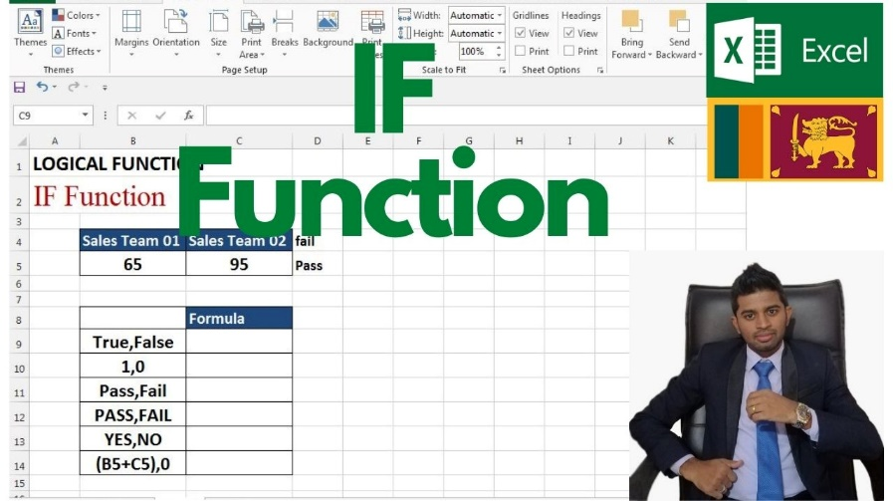
Item Name | Revenue | Cost | GP | Loss or Profit
Television | 1,200,000.00 | 1,280,000.00 | -80,000.00 | Loss
Radio | 3,500,000.00 | 1,180,000.00 | 2,320,000.00 | Profit
Washing Machine | 2,650,000.00 | 2,850,000.00 | -200,000.00 | Loss
Computers | 3,650,000.00 | 3,800,000.00 | -150,000.00 | Loss
Printers | 7,850,000.00 | 3,600,000.00 | 4,250,000.00 | Profit
Mobile Phones | 3,680,000.00 | 3,850,000.00 | -170,000.00 | Loss
Laptop | 5,680,000.00 | 4,800,000.00 | 880,000.00 | Profit
Air Conditioner | 9,500,664.00 | 7,280,000.00 | 2,220,664.00 | Profit

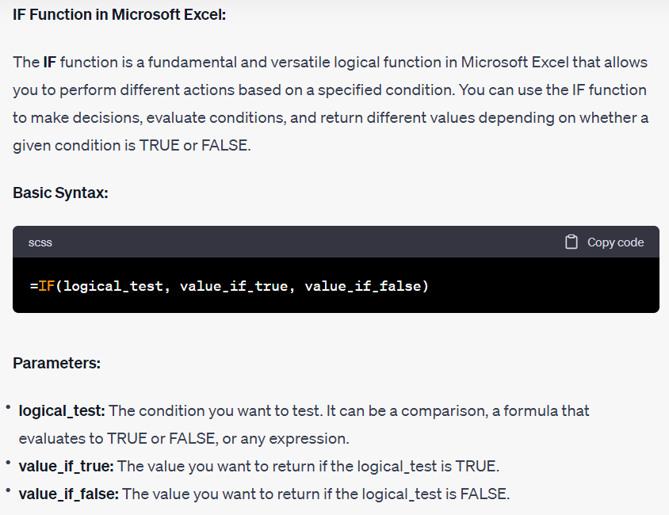

Certainly! Here are five practical scenarios for using the IF function in Excel:

Scenario 1: Pass/Fail Grading You're a teacher and want to assign grades based on students' scores. If a student's score is 70 or above, they pass; otherwise, they fail.

Student Name | Exam Score | Pass/Fail | IF(C59>=70,"Pass","Fail")
John Doe | 85 | Pass
Jane Smith | 60 | Fail
Bob Johnson | 70 | Pass
Sarah Lee | 90 | Pass
Michael Brown | 65 | Fail

Scenario 2: Sales Commission Calculation You're a sales manager and want to calculate the commission for your sales team. If a salesperson's total sales are above a certain target (above 20,000/-), they receive a bonus; otherwise, they receive their regular commission.

Salesperson | Total Sales | Bonus /Regular Commission | IF(C70>=20000,"Bonus","RegularCommision")
John Doe | 25,000.00 | Bonus
Jane Smith | 18,000.00 | Regular Commisions
Bob Johnson | 30,000.00 | Bonus
Sarah Lee | 22,000.00 | Bonus
Michael Brown | 17,000.00 | Regular Commisions

Scenario 3: Budget Allocation You're managing a budget and want to allocate funds to different departments. If a department meets certain performance criteria, they receive a larger budget; otherwise, they receive a standard allocation.

Department | Performance Criteria Met | Standard Budget | Enhanced Budget | If a department meets certain performance criteria, they receive a larger budget; otherwise, they receive a standard allocation.
Sales | Yes | 50,000.00 | 70,000.00
Marketing | No | 40,000.00 | 50,000.00
Finance | Yes | 60,000.00 | 80,000.00
Operations | No | 45,000.00 | 55,000.00
Human Resources | Yes | 35,000.00 | 45,000.00

Scenario 4: Inventory Reorder Level You're monitoring inventory levels and want to determine when to reorder products. If the quantity on hand is below a certain threshold, you need to place a reorder; otherwise, you don't.

Product Name | Quantity on Hand | Reorder Threshold | Reorder Needed/ "No Reorder Needed" | IF(D93>C93,"Reorder needed","NoReorderNeeded")
Product A | 15 | 20
Product B | 10 | 25
Product C | 30 | 20
Product D | 5 | 10
Product E | 40 | 30

Scenario 5: Student Scholarships You're in charge of awarding scholarships based on academic performance. If a student's GPA is above a certain threshold (Above 3.8), they qualify for a scholarship; otherwise, they do not.

Student Name | GPA | Scholarship Qualification
John Doe | 3.8
Jane Smith | 3.5
Bob Johnson | 4
Sarah Lee | 3.9
Michael Brown | 3.2

In each of these scenarios, the IF function allows you to perform different actions based on whether a condition is met or not. This makes it a powerful tool for automating decisions and calculations in Excel.

Nestedif
Nested IF Function
Presented by Excel Academy in collaboration with Team Excel With Vidu
Sri Lanka's No 01 Excel Guru
 |  |  |  |  |  | 077 562 2065 |071 121 96 75
 |  |  | IF(F4>60,"Very Good",IF(F4>30,"Good","Week"))
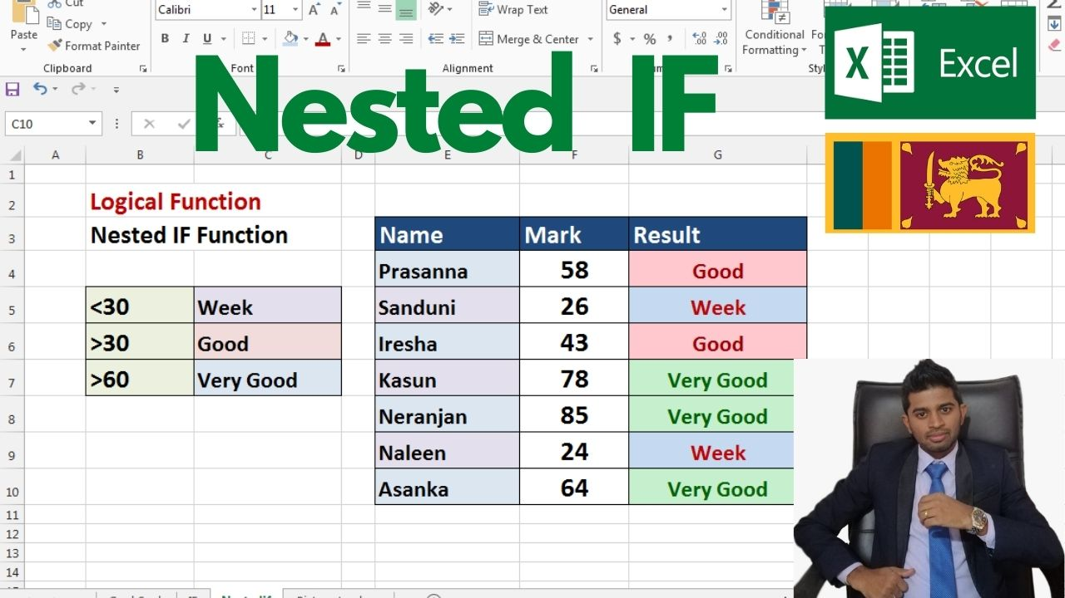
 |  |  | Name | Mark | Result
 |  |  | Prasanna | 58 | Good
<30 | Week |  | Sanduni | 26 | Week
>30 | Good |  | Iresha | 43 | Good
>60 | Very Good |  | Kasun | 78 | Very Good
 |  |  | Neranjan | 85 | Very Good
 |  |  | Naleen | 24 | Week
 |  |  | Asanka | 64 | Very Good

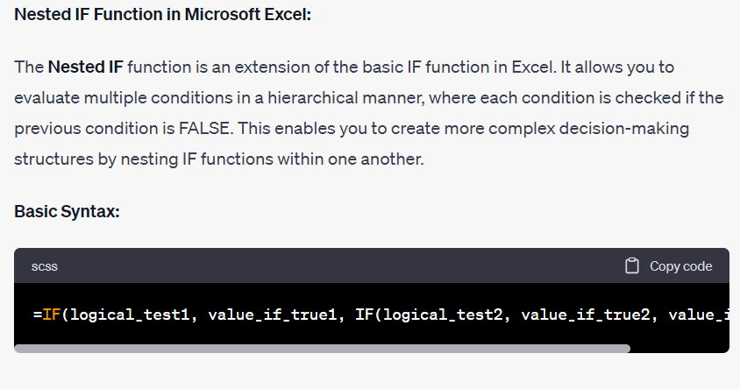

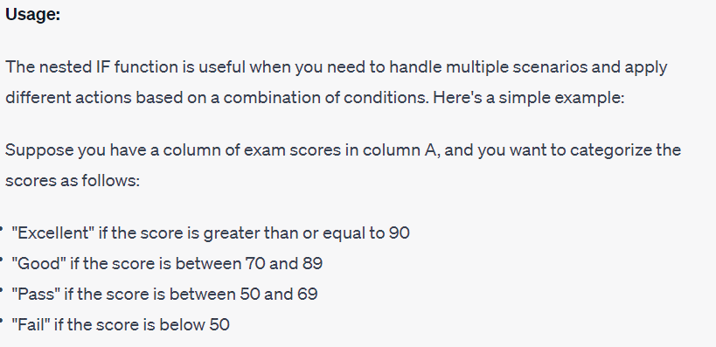

Here are practical scenarios for using nested IF functions in Excel:

Scenario 1: Grading System with Multiple Criteria You're a teacher and want to assign grades based on a combination of scores. If a student's average score is above 90, they get an 'A'. If it's above 80, they get a 'B', and so on.

Student Name | Exam 1 Score | Exam 2 Score | Homework Score | Average Score | Grade | IF(F71>=90,"A",IF(F71>=60,"B","F"))
John Doe | 85 | 90 | 95 | 90 | B | <60 | F
Jane Smith | 75 | 85 | 80 | 80 | B | >60 | B
Bob Johnson | 40 | 20 | 20 | 27 | F | >90 | A
Sarah Lee | 95 | 100 | 90 | 95 | A
Michael Brown | 60 | 70 | 65 | 65 | B

Scenario 2: Sales Commission with Sales You're a sales manager and want to calculate commissions based on different Sales. If a salesperson's total sales are below $10,000, they get a 5% commission. If it's between $10,000 and $20,000, they get 8%, and so on.

 |  |  |  |  |  | <18000 | 2%
Salesperson | Total Sales | Commision | IF(C96>=22000,0.1,IF(C96>=20000,0.08,IF(C96>=18000,0.05,0.02))) |  |  | 18000-20000 | 5%
John Doe | 22,000.00 |  |  |  |  | 20000-22000 | 8%
Jane Smith | 18,000.00 |  |  |  |  | >22000 | 10%
Bob Johnson | 16,000.00
Sarah Lee | 21,000.00
Michael Brown | 30,000.00

Scenario 3: Employee Bonus Structure You're in charge of bonuses and want to calculate them based on performance and tenure. If an employee has been with the company for over 5 years and met their targets, they get a bonus. The bonus amount increases if they've been with the company for over 10 years.

 | Employee Name | Years with Company | Met Targets | Bonus Amount | IF(E110="No",0,IF(D110>10,1500,IF(D110>5,500,0)))
 | John Doe | 6 | Yes |  |  | <5 | 0
 | Jane Smith | 3 | Yes |  |  | 5-10 | 500
 | Bob Johnson | 12 | Yes |  |  | >10 | 1500
 | Sarah Lee | 15 | No
 | Michael Brown | 15 | Yes

 |  |  |  |  | IF(E108="No",0,IF(D108>10,1500,IF(D108>5,500,0)))
 |  |  |  |  | IF(E108="Yes",IF(D108>10,1500,IF(D108>5,500,0,0)))

In each of these scenarios, nested IF functions allow you to create complex decision-making processes by incorporating multiple conditions. This makes it a powerful tool for automating various types of calculations and assessments in Excel.

